Sheet11
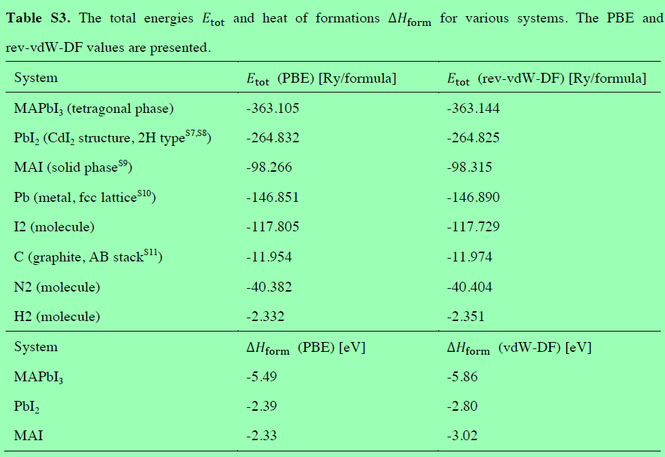
μpb(Pb-poor, Pb-rich) |  |  | Pb(Bulk) |  |  | E(Pbip1) |  |  | E(MAPbI3)perfect |  |  | Formation Energy(PBESCS,PBE,PBESCS,PBE) | Molecule | MBD | PBE | TS | PBE+MBD | PBE+TS
 |  |  |  |  |  |  |  |  |  |  |  |  | MAPbI3 | -1.1175928075 | -1151699.6943 | -1.1022996897 | -1151700.8119 | -1151700.7966
 |  |  |  |  |  |  |  |  |  |  |  |  | MA | -0.058815 | -520.93654282 | -0.0686425 | -520.99535782 | -521.00518532
MBD | PBE | TS | MBD | PBE | TS | MBD | PBE | TS | MBD | PBE | TS | 3.9480768852 | I | -0.19517892125 | -193637.75364 | -0.21103936 | -193637.94882 | -193637.96468
-0.230840005 | -568161.34678 | -0.16990864925 |  |  |  |  |  |  |  |  |  |  | Pb | -0.4295880725 | -568159.2728 | -0.2954574475 | -568159.70238 | -568159.56825
 |  |  |  |  |  |  |  |  |  |  |  |  | PbI2 | -0.63868262 | -955436.82708 | -0.651085049 | -955437.46576 | -955437.47817
MBD | PBE | TS | -0.4295880725 | -568159.2728 | -0.2954574475 | -9.38279573 | -9781750.614 | -9.222121493 | -8.94074246 | -9213597.5541 | -8.818397518 | 4.1592901502 | MAI | -0.49639496 | -196262.8402 | -0.5103123205 | -196263.33659 | -196263.35051
-0.4295880725 | -568159.2728 | -0.2954574475 |  |  |  |  |  |  |  |  |  |  | μ*I(I-poor) | 0.09937403375 | -1.0369937021 | 0.062774399125 | -0.93761966831 | -0.97421930293 | -1.11
 |  |  |  |  |  |  |  |  |  |  |  |  | μ*pb(Pb-poor) | 0.1987480675 | -2.0739874041 | 0.12554879825 | -1.8752393366 | -1.9484386059 | -2.22
Ef(MBD+PBE) Pb-poor | 2.2629368852 |  | MBD Pb-poor | -0.211213265 |  | PBE Pb-poor | 2.4741501502 |  | TS Pb-poor | -0.23381532575 |  | 2.0728375485 | (Pb)p | -0.230840005 | -568161.34678 | -0.16990864925 | -568161.57762 | -568161.51669
 |  |  |  |  |  |  |  |  |  |  |  |  | (I)p(PbI2) | -0.0958048875 | -193638.79064 | -0.14826496087 | -193638.88644 | -193638.9389
 |  |  |  |  |  |  |  |  |  |  |  |  | (MA)l | -0.30121603875 | -2625.0865531 | -0.2992729605 | -2625.3877691 | -2625.3858261
Ef(MBD+PBE) Pb-rich | 0.38769754854 |  | MBD Pb-rich | -0.0124651975 |  | PBE Pb-rich | 0.40016274604 |  | TS Pb-rich | -0.1082665275 |  | 2.085302746 | (MA)r | -0.4005900725 | -2624.0495594 | -0.36204735962 | -2624.4501495 | -2624.4116068
 |  |  |  |  |  |  |  |  |  |  |  |  | (I)r(PbI2) | -0.19517892125 | -193637.75364 | -0.21103936 | -193637.94882 | -193637.96468
 |  |  |  |  |  |  |  |  |  |  |  |  | (Pb)r | -0.4295880725 | -568159.2728 | -0.2954574475 | -568159.70238 | -568159.56825
μI(I-poor, I-rich) |  |  | I(Bulk) |  |  | E(Ii+1)the most stable |  |  | E(MAPbI3)perfect |  |  | Formation Energy(PBESCS,PBE,PBESCS,PBE) | (I)p(MAI) | -0.0958048875 | -193638.79064 | -0.14826496087 | -193638.88644 | -193638.9389 |  | -837.2833268
 |  |  |  |  |  |  |  |  |  |  |  |  | (I)r(MAI) | -0.19517892125 | -193637.75364 | -0.21103936 | -193637.94882 | -193637.96468 |  | -837.28962384
 |  |  |  |  |  |  |  |  |  |  |  |  | MAI(single Molecule) | -0.10408 | -836.81690386 | -0.10961 | -836.92098386 | -836.92651386
MBD | PBE | TS | MBD | PBE | TS | MBD | PBE | TS | MBD | PBE | TS | 3.1436724643 | E(PbI2) | 0.181263295 | -2.0469993764 | 0.0664511185 | -1.8657360814 | -1.9805482579
-0.0958048875 | -193638.79064 | -0.14826496087 |  |  |  |  |  |  |  |  |  |  | E(MAI) | -0.14448749625 | -2.9666356638 | -0.153584563 | -3.11112316 | -3.1202202268 |  | -2625.0865531
 |  |  |  |  |  |  |  |  |  |  |  |  | E(MAPbI3) | 0.05426057125 | -5.0406230679 | -0.02803576475 | -4.9863624966 | -5.0686588326
MBD | PBE | TS | -0.19517892125 | -193637.75364 | -0.21103936 | -9.2782198 | -9407228.8798 | -9.099340523 | -8.94074246 | -9213597.5541 | -8.818397518 | 3.3853449168 | Ethlapy(MAPbI3) | 0.0174847725 | -0.026988027676 | 0.05909767975 | -0.0095032551755 | 0.032109652074
-0.19517892125 | -193637.75364 | -0.21103936 |  |  |  |  |  |  |  |  |  |  | E(MAPbI3)-E(MAI) | 0.1987480675 | -2.0739874041 | 0.12554879825 | -1.8752393366 | -1.9484386059 |  | -520.86154282
 |  |  |  |  |  |  |  |  |  |  |  |  | The total energy of H2 | -0.001102205 | -15.874292754 | -1.46595E-05 | -15.875394959 | -15.874307413
Ef(MBD+PBE) I-poor | 1.4585324643 |  | MBD I-poor | -0.2416724525 |  | PBE I-poor | 1.7002049168 |  | TS I-poor | -0.13267804413 |  | 2.206052796 | The total energy of C | -0.1480136675 | -1036.8432491 | -0.1454714835 | -1036.9912628 | -1036.9887206 |  | -0.026988027501
 |  |  |  |  |  |  |  |  |  |  |  |  | The total energy of N2 | -0.002101645 | -1490.0309118 | -0.000128957 | -1490.0330134 | -1490.0310407

Ef(MBD+PBE) I-rich | 0.52091279595 |  | MBD I-rich | -0.14229841875 |  | PBE I-rich | 0.6632112147 |  | TS I-rich | -0.069903645 |  | 2.3483512147 |  |  | -1.0234996882 | -1.0369937021 | -1.6802076893

 |  |  |  |  |  |  |  |  |  |  |  |  | MA(One Molecule) | SCS | PBE | TS | PBE+SCS | PBE+TS
μMA(Pb-poor, I-poor) |  |  | MA(Four Molecule) |  |  | E(Mai+1) |  |  | E(MAPbI3)perfect |  |  | Formation Energy(PBESCS,PBE,PBESCS,PBE) | MAPbI3 | -1.12551625 | -3125.1335546 | -1.08296 | -3126.2590708 | -3126.2165146
 |  |  |  |  |  |  |  |  |  |  |  |  | MA | -0.01199 | -520.51582157 | -0.00818 | -520.52781157 | -520.52400157 |  | -541.34510042
 |  |  |  |  |  |  |  |  |  |  |  |  | I | -0.16919 | -313.16044032 | -0.16745375 | -313.32963032 | -313.32789407
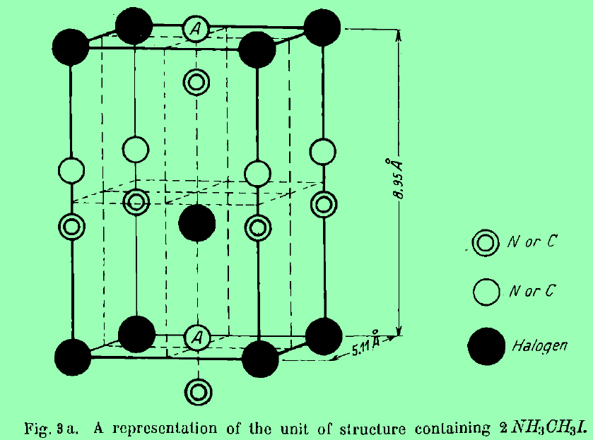
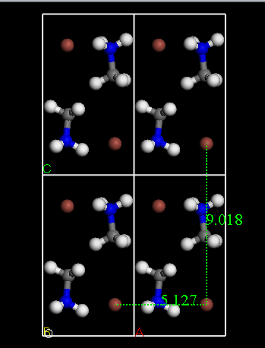
MBD | PBE | TS | MBD | PBE | TS | MBD | PBE | TS | MBD | PBE | TS | 2.2358668687 | Pb | -0.338295 | -1659.592145 | -0.314505 | -1659.93044 | -1659.90665
-0.30121603875 | -2625.0865531 | -0.2992729605 |  |  |  |  |  |  |  |  |  |  | PbI2 | -0.64692 | -2287.8958423 | -0.66013 | -2288.5427623 | -2288.5559723
 |  |  |  |  |  |  |  |  |  |  |  |  | MAI | -0.49839 | -836.81690698 | -0.510735 | -837.31529698 | -837.32764198
MBD | PBE | TS | -0.0685025 | -520.98418939 | -0.069675 | -9.65398429 | -9216215.845 | -9.441765483 | -8.94074246 | -9213597.5541 | -8.818397518 | 2.6478926599 | u*I(I-poor) | -0.037034375 | -1.3780667991 | -0.029875 | -1.4151011741 | -1.4079417991
-0.4005900725 | -2624.0495594 | -0.36204735962 |  |  |  |  |  |  |  |  |  |  | u*pb(Pb-poor) | -0.07406875 | -2.7561335983 | -0.05975 | -2.8302023483 | -2.8158835983
 |  |  |  |  |  |  |  |  |  |  |  |  | μ(Pb)p | -0.41236375 | -1662.3482786 | -0.374255 | -1662.7606423 | -1662.7225336
Ef(MBD+PBE) Pb-poor | 0.55072686867 |  | MBD Pb-poor | -0.41202579125 |  | PBE Pb-poor | 0.96275265992 |  | TS Pb-poor | -0.3240950045 |  | 1.2982472004 | μ(I)p(PbI2) | -0.206224375 | -314.53850712 | -0.19732875 | -314.7447315 | -314.73583587
 |  |  |  |  |  |  |  |  |  |  |  |  | μ(MA)l | -0.2055825 | -523.30395505 | -0.20634375 | -523.50953755 | -523.5102988
 |  |  |  |  |  |  |  |  |  |  |  |  | μ(MA)r | -0.168548125 | -521.92588826 | -0.17646875 | -522.09443638 | -522.10235701
Ef(MBD+PBE) I-poor | -0.38689279964 |  | MBD I-poor | -0.3126517575 |  | PBE I-poor | -0.07424104214 |  | TS I-poor | -0.26132060538 |  | 1.6108989579 | μ(I)r(PbI2) | -0.16919 | -313.16044032 | -0.16745375 | -313.32963032 | -313.32789407
 |  |  |  |  |  |  |  |  |  |  |  |  | μ(Pb)r | -0.338295 | -1659.592145 | -0.314505 | -1659.93044 | -1659.90665
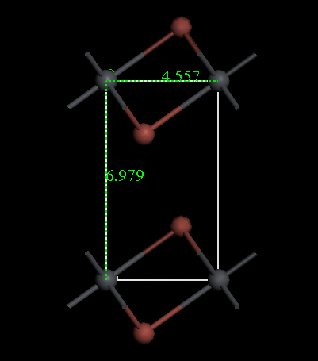
 |  |  |  |  |  |  |  |  |  |  |  |  | μ(I)p(MAI) | -0.206224375 | -314.53850712 | -0.19732875 | -314.7447315 | -314.73583587
μpb(Pb-poor, Pb-rich) |  |  | Pb(Bulk) |  |  | E(Pbi_1) |  |  | E(MAPbI3)perfect |  |  | Formation Energy(PBESCS,PBE,PBESCS,PBE) | μ(I)r(MAI) | -0.16919 | -313.16044032 | -0.16745375 | -313.32963032 | -313.32789407

 |  |  |  |  |  |  |  |  |  |  |  |  | E(PbI2) | 0.029755 | -1.982816708 | -0.0107175 | -1.953061708 | -1.993534208
MBD | PBE | TS | MBD | PBE | TS | MBD | PBE | TS | MBD | PBE | TS | 3.927378605 | E(MAI) | -0.1935925 | -2.7881334867 | -0.19816375 | -2.9817259867 | -2.9862972367
-0.230840005 | -568161.34678 | -0.16990864925 |  |  |  |  |  |  |  |  |  |  | E(MAPbI3) | -0.26766125 | -5.544267085 | -0.25791375 | -5.811928335 | -5.802180835
 |  |  |  |  |  |  |  |  |  |  |  |  | Ethlapy(MAPbI3) | -0.10382375 | -0.77331689026 | -0.0490325 | -0.87714064026 | -0.82234939026
MBD | PBE | TS | -0.4295880725 | -568159.2728 | -0.2954574475 | -9.49365645 | -9781758.6941 | -9.324428589 | -8.94074246 | -9213597.5541 | -8.818397518 | 4.24945259 | E(MAPbI3)-E(MAI) | -0.07406875 | -2.7561335983 | -0.05975 | -2.8302023483 | -2.8158835983
-0.4295880725 | -568159.2728 | -0.2954574475 |  |  |  |  |  |  |  |  |  |  | The total energy of H2 | -0.000015 | -15.847901294 | -0.000015 | -15.847916294 | -15.847916294
 |  |  |  |  |  |  |  |  |  |  |  |  | The total energy of C | -0.1353925 | -155.06838507 | -0.1448975 | -155.20377757 | -155.21328257
Ef(MBD+PBE) Pb-poor | 5.612518605 |  | MBD Pb-poor | -0.322073985 |  | PBE Pb-poor | 5.93459259 |  | TS Pb-poor | -0.33612242175 |  | 2.0521392684 | The total energy of N2 | -0.000125 | -270.71254033 | -0.00013 | -270.71266533 | -270.71267033

Ef(MBD+PBE) Pb-rich | 3.7372792684 |  | MBD Pb-rich | -0.1233259175 |  | PBE Pb-rich | 3.8606051859 |  | TS Pb-rich | -0.2105736235 |  | 2.1754651859

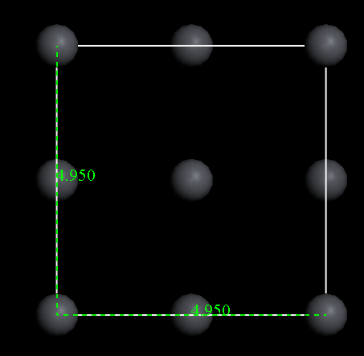
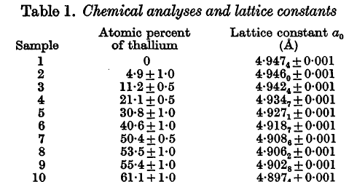
 |  |  |  |  |  |  |  |  |  |  |  |  | Chemical elements | PBE+SCS | PBE | PBE+TS
μpb(Pb-poor, Pb-rich) |  |  | Pb(Bulk) |  |  | E(Pbip2) |  |  | E(MAPbI3)perfect |  |  | Formation Energy(PBESCS,PBE,PBESCS,PBE) | I | -313.32963032
 |  |  |  |  |  |  |  |  |  |  |  |  | Pb |  | -1659.592145 | -1659.90665
 |  |  |  |  |  |  |  |  |  |  |  |  | PbI2 | -2288.5427623 | -2287.8958423
MBD | PBE | TS | MBD | PBE | TS | MBD | PBE | TS | MBD | PBE | TS | 4.1548412445 | E(PbI2) | -2.291356708 |  | -1.976851708
-0.230840005 | -568161.34678 | -0.16990864925 |  |  |  |  |  |  |  |  |  |  | MA | -521.05269189
 |  |  |  |  |  |  |  |  |  |  |  |  | I
MBD | PBE | TS | -0.4295880725 | -568159.2728 | -0.2954574475 | -9.32434297 | -9781746.561 | -9.156421981 | -8.94074246 | -9213597.5541 | -8.818397518 | 4.3076017495 | MAI | -837.77903001
-0.4295880725 | -568159.2728 | -0.2954574475 |  |  |  |  |  |  |  |  |  |  | E(MAI)

Ef(MBD+PBE) Pb-poor | 0.78456124455 |  | MBD Pb-poor | -0.152760505 |  | PBE Pb-poor | 0.93732174955 |  | TS Pb-poor | -0.16811581375 |  | 2.2796019079
 |  |  |  |  |  |  |  |  |  |  |  |  | Neutral Defect | Ef,(eV) I-poor (Pb-rich) | Ef,(eV) I-rich (Pb-poor) |  | Ef,(eV) I-poor (Pb-rich) | Ef,(eV) I-rich (Pb-poor) | ΔEf(eV) I-poor (Pb-rich) | ΔEf(eV) I-rich (Pb-poor)
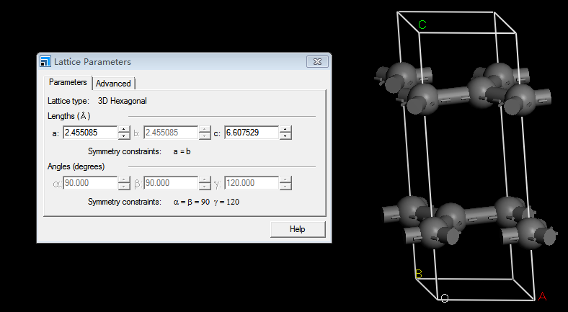
Ef(MBD+PBE) Pb-rich | -1.0906780921 |  | MBD Pb-rich | 0.0459875625 |  | PBE Pb-rich | -1.1366656546 |  | TS Pb-rich | -0.0425670155 |  | 2.2336143454
 |  |  |  |  |  |  |  |  |  |  |  |  | Vpb | 0.40016274604 | 2.4741501502 | 2.0739874041 | 2.69 | 0.47 | -2.289837254 | 2.0041501502

μI(I-poor, I-rich) |  |  | I(Bulk) |  |  | E(Ii_1) |  |  | E(MAPbI3)perfect |  |  | Formation Energy(PBESCS,PBE,PBESCS,PBE)
 |  |  |  |  |  |  |  |  |  |  |  |  | VI(MAI) | 1.7002049168 | 0.6632112147 | 1.0369937021 | 0.87 | 2.04 | 0.83020491676 | -1.3767887853

MBD | PBE | TS | MBD | PBE | TS | MBD | PBE | TS | MBD | PBE | TS | 0.65506088419
-0.0958048875 | -193638.79064 | -0.14826496087 |  |  |  |  |  |  |  |  |  |  | VI(PbI2) | 1.7002049168 | 0.6632112147 | 1.0369937021 | 0.85 | 2.05 | 0.85020491676 | -1.3867887853

MBD | PBE | TS | -0.19517892125 | -193637.75364 | -0.21103936 | -9.40664792 | -9407239.5563 | -9.157130902 | -8.94074246 | -9213597.5541 | -8.818397518 | 1.0251614567
-0.19517892125 | -193637.75364 | -0.21103936 |  |  |  |  |  |  |  |  |  |  | Vma | -0.07424104214 | 0.96275265992 | 1.0369937021 | 1.91 | 0.62 | -1.9842410421 | 0.34275265992

Ef(MBD+PBE) I-poor | 2.3402008842 |  | MBD I-poor | -0.3701005725 |  | PBE I-poor | 2.7103014567 |  | TS I-poor | -0.19046842313 |  | -0.28255878412
 |  |  |  |  |  |  |  |  |  |  |  |  | MAi | 3.8606051859 | 0.96275265992 | -2.897852526 | 1.12 | 2.43
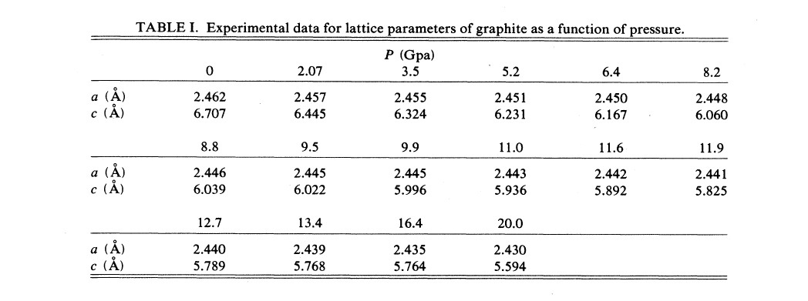
Ef(MBD+PBE) I-rich | 1.4025812159 |  | MBD I-rich | -0.27072653875 |  | PBE I-rich | 1.6733077546 |  | TS I-rich | -0.127694024 |  | -0.011832245372
 |  |  |  |  |  |  |  |  |  |  |  |  | Pbi | 0.40016274604 | 2.4741501502 | 2.0739874041 | 1.05 | 3.27

μMA(Pb-poor, I-poor) |  |  | MA(Four Molecule) |  |  | E(Mai+2) |  |  | E(MAPbI3)perfect |  |  | Formation Energy(PBESCS,PBE,PBESCS,PBE)
 |  |  |  |  |  |  |  |  |  |  |  |  | Ii | 1.7002049168 | 0.6632112147 | 1.0369937021 | 1.75 | 0.57

MBD | PBE | TS | MBD | PBE | TS | MBD | PBE | TS | MBD | PBE | TS | 4.0693043494
-0.30121603875 | -2625.0865531 | -0.2992729605 |  |  |  |  |  |  |  |  |  |  | PbI |  |  |  | 3.6(4.22) | 0.19(0.9)

MBD | PBE | TS | -0.0685025 | -520.98418939 | -0.069675 | -9.60234965 | -9216209.7915 | -9.393573002 | -8.94074246 | -9213597.5541 | -8.818397518 | 4.4296955006
-0.4005900725 | -2624.0495594 | -0.36204735962 |  |  |  |  |  |  |  |  |  |  | IPb |  |  |  | 1.54 | 4.88

Ef(MBD+PBE) Pb-poor | 0.69902434935 |  | SCS Pb-poor | -0.36039115125 |  | PBE Pb-poor | 1.0594155006 |  | TS Pb-poor | -0.2759025235 |  | 3.131684681
 |  |  |  |  |  |  |  |  |  |  |  |  | PbMA |  |  |  | Null | Null

Ef(MBD+PBE) I-poor | -0.23859531896 |  | SCS I-poor | -0.2610171175 |  | PBE I-poor | 0.022421798544 |  | TS I-poor | -0.21312812438 |  | 3.3927017985
 |  |  |  |  |  |  |  |  |  |  |  |  | MAPb |  |  |  | Null | Null

 |  |  |  |  |  |  |  |  |  |  |  |  | MAI |  |  |  | Null | Null

 |  |  |  |  |  |  |  |  |  |  |  |  | PbI |  |  |  | Null | Null

0 |  |  | 1 |  |  | -1 |  |  | 2 |  |  | PbI

 | 0 |  |  | 1 |  |  | -1 |  |  | 2
 |  |  |  |  |  |  |  |  |  |  |  |  | -2
μI(I-poor, I-rich) |  |  | μI(I-poor, I-rich) |  |  | μI(I-poor, I-rich) |  |  | μpb(Pb-poor, Pb-rich) |  |  | μpb(Pb-poor, Pb-rich)

MBD | PBE | TS | MBD | PBE | TS | MBD | PBE | TS | MBD | PBE | TS | SCS | PBE | TS
-0.0958048875 | -193638.79064 | -0.14826496087 | -0.0958048875 | -193638.79064 | -0.14826496087 | -0.0958048875 | -193638.79064 | -0.14826496087 | -0.230840005 | -568161.34678 | -0.16990864925 | -0.22346361938 | -568161.34678 | -0.21501656437

MBD | PBE | TS | MBD | PBE | TS | MBD | PBE | TS | MBD | PBE | TS | SCS | PBE | TS
-0.19517892125 | -193637.75364 | -0.21103936 | -0.19517892125 | -193637.75364 | -0.21103936 | -0.19517892125 | -193637.75364 | -0.21103936 | -0.4295880725 | -568159.2728 | -0.2954574475 | -0.3309336865 | -568159.2728 | -0.2954574475

Ef(SCS+PBE) I-poor | 1.9917701141 |  | Ef(MBD+PBE) I-poor | 1.4585324643 |  | Ef(MBD+PBE) I-poor | 2.3402008842 |  | Ef(MBD+PBE) Pb-poor | 0.78456124455 |  | Ef(SCS+PBE) Pb-poor | 0.53091747126

Ef(SCS+PBE) I-rich | 1.0541504458 |  | Ef(MBD+PBE) I-rich | 0.52091279595 |  | Ef(MBD+PBE) I-rich | 1.4025812159 |  | Ef(MBD+PBE) Pb-rich | -1.0906780921 |  | Ef(SCS+PBE) Pb-rich | 2.4974348083

1 | 0.53323764989 |  | -1 | 0.44083420996 |  | 2 |  | 0.51854654655 | -2 |  | -0.063410943322
 | 0.53323764989 |  |  | 0.44083420996 |  |  |  | 0.83108643598 |  |  | 0.89702822508

-1 | 0.34843077004 |  | 2 | 1.611590888 |  | -2 |  | 1.0948535924

2 | 0.6036044348 |  | -2 | -0.30920499767

-2 | -0.73042632144

